Availability
Jazz - Tower A
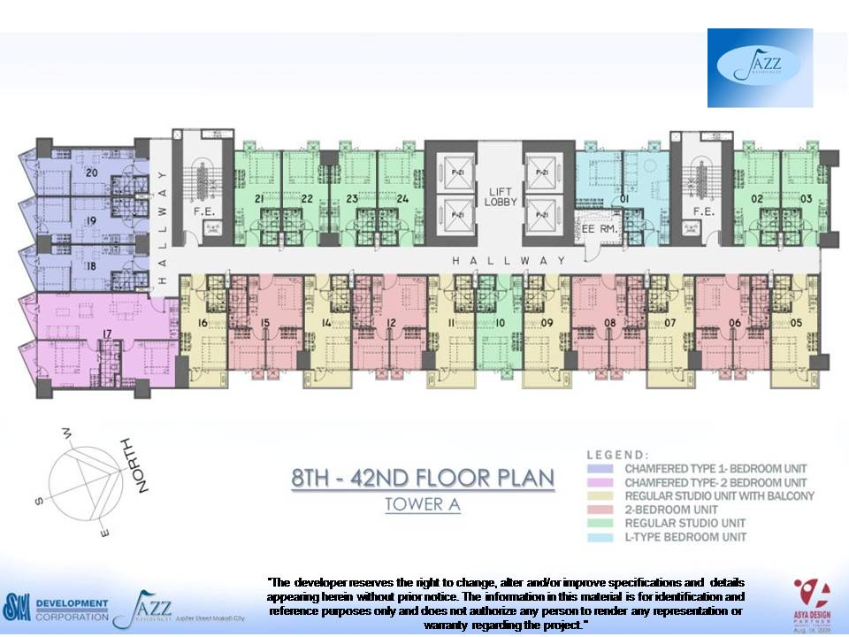

 | Unit No | Unit Type | Flr | Unit Area | List Price

1 | JAZZB012508 | 2 BR | 25 | 32.07 sqm. | 3,624,366.06
2 | JAZZB014117 | 2 BR WITH BALCONY | 41 | 63.98 sqm. | 6,802,381.62

